Process outline
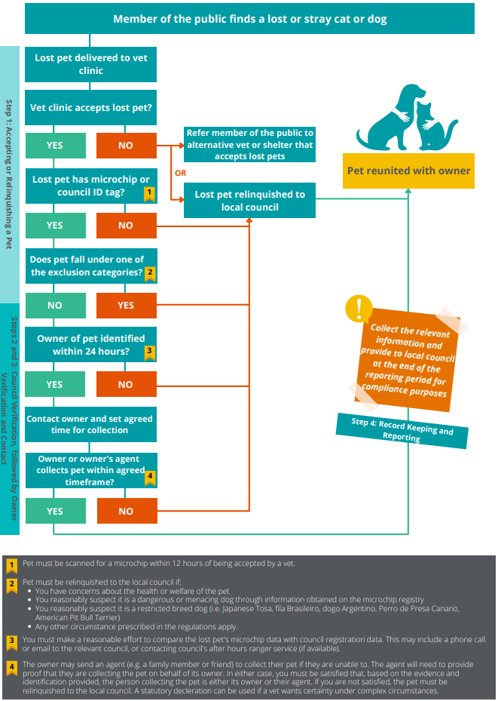

Report
Reuniting Lost Pets Council Report
Advise owner or owner's agent that information is required to be collected under the Domestic Animals Act 1994 and will be stored in accordance with privacy laws. Reunifictation reports will be provided to councils to follow up any compliance matters.
Under section 84DD of the Domestic Animals Act (DA Act), vets must record and report on reunification of pets with owners. The requirement applies to a veterinary practitioner that accepts a lost dog or cat and doesn’t have an agreement under section 84Y of the DA Act with the council in which the business is located.
Business name: |  |  |  |  |  |  | Business address: |  |  |  |  | Your Council Authorised Officer email:

Business email: |  |  |  |  |  |  | Business contact number: |  |  |  |  | Items with an asterisk (*) are optional but may assist you quickly identifying animal on retrieval
Date pet accepted | Time pet accepted | Species | Breed if known* | Colour* | Suburb or municipality pet was found (if known) | Ph # of person who found pet (if known) | Microchip or Council name and registration tag number | Name of person collecting pet | Phone number of person collecting pet | Owner's Name (if owner is not the person collecting pet) | Owner's phone number (if owner is not person collecting the pet) | Owner's address | Date collected | Time collected | Notes*
2021-11-11 | 11:15am | Dog | Jack Russell | Tan and white | Delahey |  | 95600001234567 | John Smith | 0425 111 111 |  |  | 25 Lost Dog Row, St Albans |  | 2021-11-12 | Council confirmed ownership. Owner provided licence ID
2021-11-11 |  | Cat | Domestic Short hair | Tabby | Sunshine |  | City of Melbourne, 4567 2
2021-11-11 |  | Cat | Domestic long hair | Black | St Albans
2021-11-11 |  | Cat | Domestic Short hair | Black & white | St Albans
2021-11-11 |  | Cat | Domestic Short hair | Orange | St Albans
2021-11-11 |  | Dog | Pomeranian | Orange | Keilor
2021-11-11 |  | Cat |  |  | Albion
2021-11-11 |  | Cat |  |  | Footscray
2021-11-11 |  | Dog |  |  | Albion
2021-11-11 |  | Cat |  |  | Sunshine

 |  | Cat
 |  | Dog

